ART
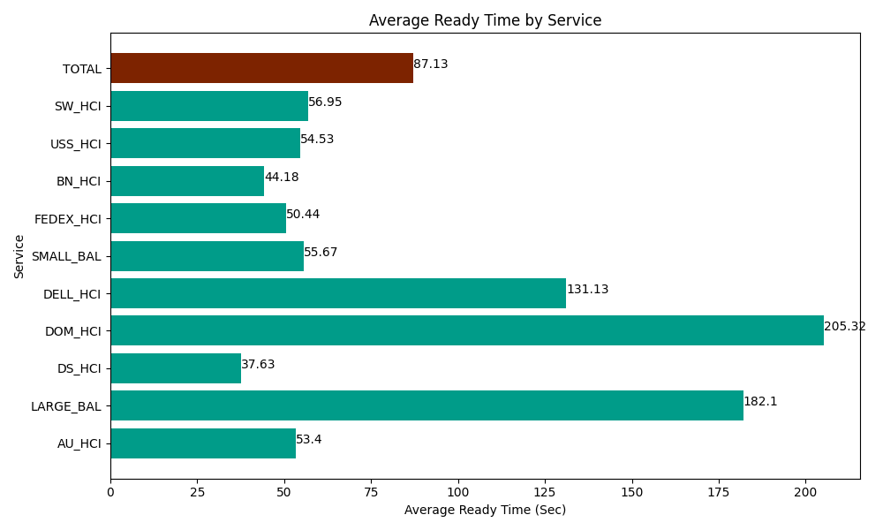
Date | Service | Successful Op Transfer | In Call (Sec) | Ready (Sec) | Wrapup (Sec) | Not Ready (Sec) | Average Ready Time (Sec)
04-05-2024 | AU_HCI | 151 | 13163.999634 | 8063.9996338 | 22009.200439 | 20782.199707 | 53.4
04-05-2024 | LARGE_BAL | 2 | 91.799998283 | 364.2000103 | 79.800002575 | 73.800001144 | 182.1
04-05-2024 | DS_HCI | 383 | 16875 | 14410.799561 | 35340 | 27292.800293 | 37.63
04-05-2024 | DOM_HCI | 24 | 1525.8000183 | 4927.7998352 | 1912.2000504 | 318.00001144 | 205.32
04-05-2024 | DELL_HCI | 86 | 6611.9998169 | 11276.999817 | 23767.800293 | 9716.9998169 | 131.13
04-05-2024 | SMALL_BAL | 45 | 3055.8000183 | 2505 | 4891.1997986 | 833.99997711 | 55.67
04-05-2024 | FEDEX_HCI | 89 | 8651.9998169 | 4489.1999817 | 6866.9998169 | 6235.8000183 | 50.44
04-05-2024 | BN_HCI | 793 | 43126.201172 | 35030.998535 | 110479.19678 | 74870.998535 | 44.18
04-05-2024 | USS_HCI | 156 | 21162.000732 | 8506.2002563 | 20962.800293 | 8835 | 54.53
04-05-2024 | SW_HCI | 142 | 6835.1998901 | 8086.7999268 | 17266.799927 | 23095.200806 | 56.95
 | TOTAL | 1871 | 121099.8011 | 97661.997557 | 243575.9974 | 172054.79917 | 87.13

